iSeries
DATE: | 2025-02-22 |  |  | iSeries System Outage Agenda
Start | End |  | Steps | Activity | Sys | Sys | Sys | Sys | Notes
 |  |  |  | ISERIES-907 -- CM-24663 | INFO | INFO | INFO | INFO
 |  |  |  | Friday
 | done | Mary | 1 | Do a do ETS50050 *disable mimix audits | PE
 | done | Mary | 2 | Hold Re* 'Saturday Jobs RE020SAT, RE030SAT, RE040SAT | PE
 |  |  |  | Saturday
8:30:00 |  | Ops | 1 | Start Teams Meeting
 |  | Mary | 2 | Signon to CONSOLE as myself to PRODDSS/Carrollton |  | DSS/C |  |  | 10.7.1.130
 |  | Mary | 3 | Logon to Teams Meeting
8:24:00 |  | Mary | 4 | https://olamvssprod.mclaneco.com
 |  | Mary | 5 | Select Template Needed Change DNS: PRODDSS to point from 10.7.1.163 to 10.7.1.230 |  | DSS/C |  |  | ipconfig /flushdns
 |  | Mary | 6 | ping after DNS chgs: RODS.APPN.SNA.IBM.COM ; PRODDSS.APPN.SNA.IBM.COM |  | DSS/C
 |  | Mary | 7 | End Robot Schedule: rbo>1>3>2 |  | DSS/C
 |  | Mary | 8 | ENDs Replication between PRODe/ to PRODDSS/ha
 |  | Mary | 9 | 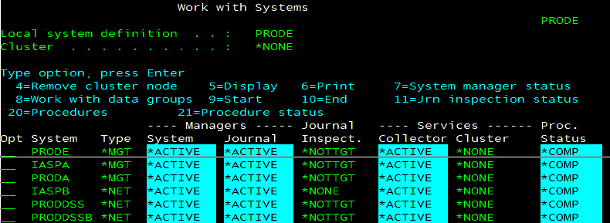 | PE
8:31:00 |  | Mary | 10 | MIMIX/ENDMMX and Press Enter | PE |  |  |  | if > 10 minutes
 |  | Mary | 11 | MIMIX/WRKDG to monitor (proda) MIMIXIASP/WRKDG to monitor (proddssha) | PE | DSS/C |  |  | make sure all datagroups are down, end manually if needed
 |  | Mary | 12 | MIMIX/WRKSYS *INACTIVE all | PE |  |  |  | Subsystem Active and ports are active
 |  | Mary | 13 | After ending mimix, ports should only be *active under all 4 nodes sbs | PE | DSS/T | DSS/C | PA
 |  | Mary | 14 | End mimix sbs on proddss/prod it should be showing two ports: ENDSBS SBS(MIMIXSBS) OPTION(*IMMED) |  | DSS/T
 |  | Mary | 15 | End mimix sbs on proddss/ha it should be showing 1 port: ENDSBS SBS(MIMIXSBS) OPTION(*IMMED) |  |  | DSS/C
 |  | Mary | 16 | Kill sbs's on proddss/prod and proddss/ha to kill ports | PE | DSS/T | DSS/C | PA | 2 ports/source….1 port/target active
 |  | Mary | 17 | ENDTCPIFC INTNETADR('10.7.1.169') |  | DSS/C |  |  | Deactivate 10.7.1.169 -
 |  | Mary | 18 | Verified it's ended> NETSTAT OPTION(*IFC) |  | DSS/C
 |  | Mary | 19 | Before and After Images |  | DSS/C
 |  | Mary | 20 | STRTCPIFC INTNETADR('10.7.1.169') |  |  | DSS/T |  | Activate 10.7.1.169 -
 |  | Mary | 21 | Verified it's ended> NETSTAT OPTION(*IFC) |  |  | DSS/T
 |  | Mary | 22 | Before and After Images |  |  | DSS/T
 |  | Mary | 23 | Start Role Swap from Proddss/HA to Proddss/Prod
 |  | Mary | 24 | Logoff and back on to CONSOLE as QSECOFR PRODDSS/Carrollton |  | DSS/C |  |  | 10.7.1.130
 |  | Mary | 25 | WRKCLU |  | DSS/C
 |  | Mary | 26 | Run QZRDPWRHA/CHKDUPLIBS IASP(DSSIASP) |  | DSS/C |  |  | ADDLIBLE QZRDPWRHA and QZRDHASM
 |  |  | 27 | QSYS/WRKASPJOB *end all jobs |  | DSS/C
 |  | Mary | 28 | Take Option 9 - Verify DSSDEVCRG Resource Group is Active and Primary Node is Correct |  | DSS/C
 |  | Mary | 29 |  |  | DSS/C
 |  | Mary | 30 | Option 6 |  | DSS/C
 |  | Mary | 31 | Option 6 |  | DSS/C
 |  | Mary | 32 | Option 6 |  | DSS/C
 |  | Mary | 33 | Take Option 10 - Verify ASP Copy> Take Option 25 on DSSHA, make sure Asp Copy is Corret |  | DSS/C
 |  | Mary | 34 |  |  | DSS/C
 |  | Mary | 35 |  |  | DSS/C
 |  | Mary | 36 | qbatch has to be active….start sbs qbatch in library qsys on all 4 nodes |  | DA/C | DSS/C
 |  | Mary | 37 | Take Option 9 > Take Option 3=Change primary>dssdevcrg |  | DSS/C
 |  | Mary | 38 |  |  | DSS/C
8:46:00 | 8:50:00 |  | 39 |  |  | DSS/C
 |  | Mary | 40 | qbatch |  | DSS/C |  |  | Varyoff should take 2:37 on source/Job ends once it has vary off the iasp
 |  | Mary | 41 | Start another session to PRODDSS/Carrollton to monitor: ASP State will go to VARYOFF |  | DSS/C
 |  | Mary | 42 | Signon to CONSOLE as QSECOFR on PRODDSS/Temple to Monitor: ASP State will go to AVAILABLE |  |  | DSS/T |  | 10.7.1.180
 |  | Mary | 43 |  |  |  | DSS/T |  | Takes 1:37 to varyon iasp on dss car/Once role swap starts job runs in qbatch on target system
 |  | Mary | 44 | Verify Direction of Replication has been switch |  |  | DSS/T
 |  | Mary | 45 |  |  |  |  |  | 10.7.1.182 or 10.7.1.132
 |  | Mary | 46 | Verify Cluster on all 4 nodes are active | PE | DSS/C | DSS/T | PA
 |  | Mary | 47 | Verify 3rd party software on PRODDSS/Temple |  |  | DSS/T
 |  | Mary | 48 | Apply Turnover Key |  |  | DSS/T |  | logon as me
 |  | Mary | 49 | 'IFS KEY: /home/unicom/licenses/TN4/* |  |  | DSS/T |  | DOES NOT REPLICATE FOR PRODDSS
 | SKIP | Mary | 50 | IBM I Access Client Solutions to rename |  |  | DSS/T
 | SKIP | Mary | 51 | > RENAME License to LicenseCOLO2025 |  |  | DSS/T |  | proddssha
 | SKIP | Mary | 52 | > RENAME LicenseTemple2025 to License |  |  | DSS/T |  | before role swap back to temple
 | SKIP | Mary | 53 |  |  |  | DSS/T |  | LPAR 3 -
 |  | Mary | 54 |  |  |  |  | DSS/C | before role swap
 |  | Mary | 55 | SOFTTURNE/TWRKLIC |  |  | DSS/T |  | had to ftp M4SYS library from upgrade/*sysbas
 |  | Mary | 56 | STRSBS QGPL/TSERVER if not started> STRSBS SBSD(QGPL/TSERVER) |  |  | DSS/T
 |  | Mary | 57 | Option 11>Option 1>2=change PRODDSS>Change Serial number to *LOCAL and Press Enter |  |  | DSS/T |  | SN# 7858201
 |  |  | 58 |  |  |  | DSS/T
 |  |  | 59 |  |  |  | DSS/T
 |  | Mary | 60 | Robot Schedule |  |  | DSS/T |  | login as mlengbr2
8:55:00 |  | Mary | 61 | Bring down RBTSLEEPER Subsystem by running RSLSHUTDWN |  |  | DSS/T |  | rbtsyslib/rslshutdwn
 |  | SKIP | 62 | (RSLCHGSYSN BEFORE(PRODDSS) AFTER(PRODDSS) PRODUCT(ROBOT)) |  |  | DSS/T |  | same system name
8:59:00 |  | Mary | 63 | RSLSETOID PRC(RBT) |  |  | DSS/T
 |  | Mary | 64 | STRSBS SBSD(RBTSYSLIB/RBTSLEEPER) |  |  | DSS/T
 |  | Mary | 65 | Verify that all subsystem are Active see Tab |  |  | DSS/T
 |  | Mary | 66 | Verify all tcp servers and host servers are active that should be |  |  | DSS/T
 | done | Mary | 67 | Host Table Changes for PRODDSSHA |  | DSS/C |  |  | F15 Postion To
 |  | Mary | 68 | RMVTCPHTE INTNETADR('10.7.1.230')
 |  | Mary | 69 | RMVTCPHTE INTNETADR('10.7.1.163')
 |  | Mary | 70 | ADDTCPHTE INTNETADR('10.7.1.230') HOSTNAME((PRODDSS) (PRODDSS.APPN.SNA.IBM.COM) (RODS) (MSDSS) (MXVPRDSS))
 |  | Mary | 71 | ADDTCPHTE INTNETADR('10.7.1.163') HOSTNAME((BRMSDSS))
I need for MIMIX | done | Mary | 72 | Host Table Changes for PRODDSS |  |  | DSS/T |  | F15 Postion To
 |  | Mary | 73 | RMVTCPHTE INTNETADR('10.7.1.230')
 |  | Mary | 74 | RMVTCPHTE INTNETADR('10.7.1.163')
 |  | Mary | 75 | ADDTCPHTE INTNETADR('10.7.1.230') HOSTNAME((PRODDSS) (PRODDSS.APPN.SNA.IBM.COM) (RODS) (MSDSS) (MXVPRDSS))
 |  | Mary | 76 | ADDTCPHTE INTNETADR('10.7.1.163') HOSTNAME((BRMSDSS))
 |  | Mary | 77 | Host Table Changes for PRODE | PE |  |  |  | F15 Postion To
 |  | Mary | 78 | RMVTCPHTE INTNETADR('10.7.1.230')
 |  | Mary | 79 | RMVTCPHTE INTNETADR('10.7.1.163')
 |  | Mary | 80 | ADDTCPHTE INTNETADR('10.7.1.230') HOSTNAME((PRODDSS) (PRODDSS.APPN.SNA.IBM.COM) (RODS) (MSDSS) (MXVPDSS))
 |  | Mary | 81 | ADDTCPHTE INTNETADR('10.7.1.163') HOSTNAME((BRMSDSS))
 |  | Mary | 82 | Host Table Changes for PRODA |  | PA |  |  | F15 Postion To
 |  | Mary | 83 | RMVTCPHTE INTNETADR('10.7.1.230')
 |  | Mary | 84 | RMVTCPHTE INTNETADR('10.7.1.163')
 |  | Mary | 85 | ADDTCPHTE INTNETADR('10.7.1.230') HOSTNAME((PRODDSS) (PRODDSS.APPN.SNA.IBM.COM) (RODS) (MSDSS) (MXVPDSS))
 |  | Mary | 86 | ADDTCPHTE INTNETADR('10.7.1.163') HOSTNAME((BRMSDSS))
 |  | Mary | 87 | Host Table Changes for DEVA |  | DEVA/T |  |  | F15 Postion To
 |  | Mary | 88 | RMVTCPHTE INTNETADR('10.7.1.230')
 |  | Mary | 89 | RMVTCPHTE INTNETADR('10.7.1.163')
 |  | Mary | 90 | ADDTCPHTE INTNETADR('10.7.1.230') HOSTNAME((PRODDSS) (PRODDSS.APPN.SNA.IBM.COM) (RODSVRT))
 |  | Mary | 91 | ADDTCPHTE INTNETADR('10.7.1.163') HOSTNAME((BRMSDSS))
 |  | Mary | 87 | Host Table Changes for DEVA/HA |  |  |  | DEVA/C | F15 Postion To
 |  | Mary | 88 | RMVTCPHTE INTNETADR('10.7.1.230')
 |  | Mary | 89 | RMVTCPHTE INTNETADR('10.7.1.163')
 |  | Mary | 90 | ADDTCPHTE INTNETADR('10.7.1.230') HOSTNAME((PRODDSS) (PRODDSS.APPN.SNA.IBM.COM) (RODSVRT))
 |  | Mary | 91 | ADDTCPHTE INTNETADR('10.7.1.163') HOSTNAME((BRMSDSS))
 |  | Mary | 92 | Turn Over To Teams for Testing
 |  | OPS | 93 | See Tab 1 for List of Testers
 |  | JDE | 94 | Compare counts prior to starting MIMIX
 |  | Mary | 95 | Run ETS50204 RUNQRY ZMARY/ROLECNTSPE to display counts |  |  | DSS/T
 |  | Mary | 96 | START MIMIX REPLICATION BETWEEN PRODE/PROD TO PRODDSS/HA |  |  | DSS/T
 |  | MIMIX | 97 | STRSQL verify relational database if PRODDSS | PE |  | DSS/T |  | 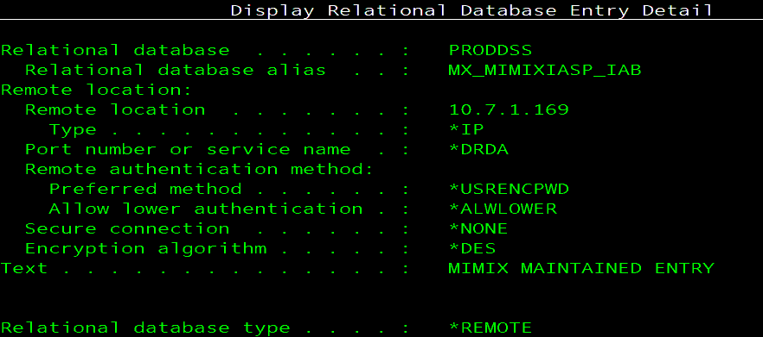 before on proda to proddssc
 |  | MIMIX | 98 | WRKRD* delete MX_MIMIXIASP_IABA 10.7.1.169 | PE |  |  |  | dssiasp/prode&proddss;proddss/proda&proddssha
 |  | MIMIX | 99 | ADDRDBDIRE RDB(DSSIASP MX_MIMIXIASP_IABA) RMTLOCNAME('10.7.1.169' *IP) **floating ip | PE |  |  |  | RDB* from DSSIASP to PRODDSS/name of the IASP in wrkrb*/*LOOPBACK is the Relational Database
 |  | Mary | 100 | Verify MIMIX SBS is started on PRODA and PRODE | PE |  |  | PE
 |  | Mary | 101 | Start MIMIX SBS on Proddss/Car>> STRSBS MIMIXQGPL/MIMIXSBS |  | DSS/C |  |  | Should only have 1 port active AND 10.7.1.169 S/B *inactive
 |  | Mary | 102 | Start MIMIX SBS on Proddss/Prod/Temple>> STRSBS MIMIXQGPL/MIMIXSBS |  |  | DSS/T |  | Make sure both ports are active
 | SEE MIMIX TAB | Mary | 103 | LOGON: MLENGBR2 > MIMIXIASP/MIMIX >MIMIXIASP/STRSVR HOST('10.7.1.169') PORT(50500) |  |  | DSS/T |  | RUN IF PORT WILL NOT START
 |  | Mary | 104 | MIMIX/WRKSYS Option 9 | PE |  |  |  | starts communication
 |  | Mary | 105 | MIMIX/STRMMX to start replication | PE
 |  | Mary | 106 | 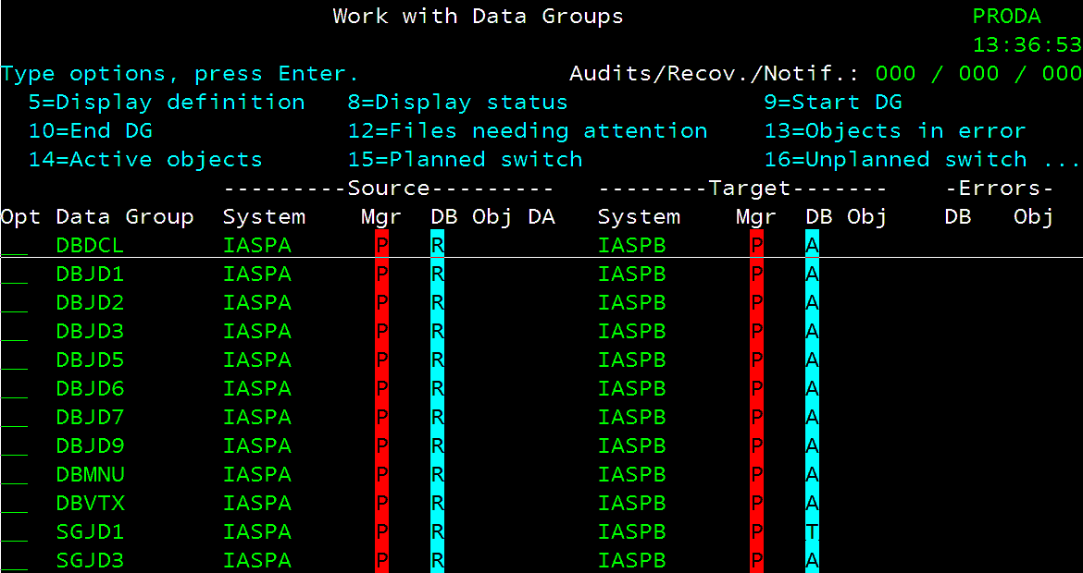 | PE
 |  | JDE | 107 | Check File counts once MIMIX has been Started to make sure they are changing |  |  | DSS/T
 |  | Mary | 108 | Run ETS50205 RUNQRY ZMARY/ROLECNTSPA to display before counts |  |  | DSS/T
 |  | Mary | 109 | MISC
 |  | Mary | 110 | Make Sure Robot Schedule has Been Started |  |  | DSS/T |  | Check robot/console AND robot alert
 |  | Mary | 111 | Run miss jobs/start robot jobs that need to be started |  |  | DSS/T
 |  | Mary | 112 | Robot Schedule: display missed jobs time frame: 0827 to ???? date: 02/22/2025 |  |  | DSS/T
 |  | Mary | 113 | Do a 'DO' on ETS50020 Terminated jobs |  |  | DSS/T
 |  | Mary | 114 | Release 'Saturday Jobs RE020SAT, RE030SAT, RE040SAT' and DO if needed | PE
 |  | Mary | 115 | Release ETS50051 *enable mimix audits | PE
 |  | Mary | 116 | Verify that performance is running |  |  | DSS/T
 |  | Mary | 117 | Do a 'DO' on ETS50001 Disable APPADMIN & SYSMGMT |  |  | DSS/T
 |  | Mary | 118 | DO' on Robot job ETS40080 to Reset Robot Host Node for GUI monitor |  |  | DSS/T |  | ROBOT NETWORK GUI AFTER ROLE SWAP
 |  | Mary | 119 | ROBOT GUI - NETWORK
 |  | Mary | 120 | RBTNETNODE/RBNENDNODE |  |  | DSS/T
 |  | Mary | 121 | RSLWL |  |  | DSS/T |  | IFS
 |  | Mary | 122 | ROBOT NETWORK>nodeConfig.xml >>>search on Primary Shift/F4 |  |  | DSS/T
 |  | Mary | 123 | RBTNETNODE/RBNCFGNODE HOSTIP('10.7.1.239') AHOSTIP(*NONE) |  |  | DSS/T
 |  | Mary | 124 | RBTNETNODE/RBNSTRNODE |  |  | DSS/T
 |  | Mary | 125 | IF MULTIPLE NODES IN GREY: GO TO PRODE | PE
 |  | Mary | 126 | RBTNETLIB/RBNDLTNODE F4 and input DEVA (delete twice if needed) | PE

 |  | Mary |  | WRKCFGSTS CFGTYPE(*CTL) CFGD(*CMN)

SBS
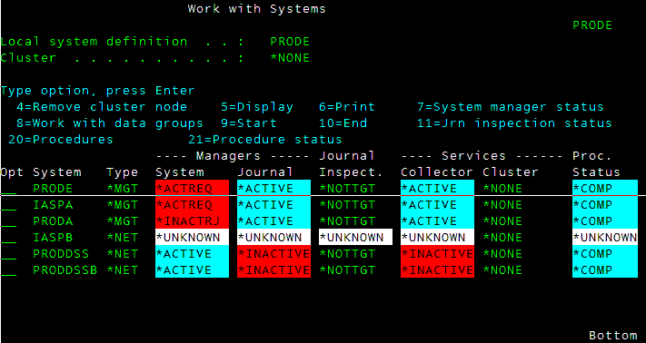
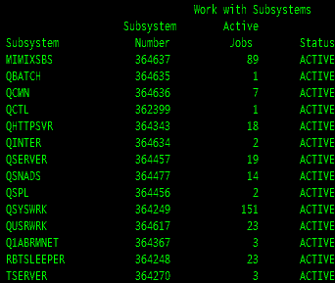
PRODDSS/PROD |  |  | PRODDSS/HA
 | Subsystem |  |  | Subsystem
 | MIMIXSBS | MIMIXQGPL |  | MIMIXSBS
 | QBATCH | QSYS |  | QBATCH
 | QCMN | QSYS |  | QCMN | QSTRUPPGM
 | QCTL | QSYS |  | QCTL | Startup program
 | QHTTPSVR | QSYS |  | QHTTPSVR
 | QINTER | QSYS |  | QINTER
 | QSERVER | QSYS |  | QSERVER | . : STRPWRHA71
 | QSNADS | QSYS |  | QSNADS | . : PRDPWRHA | this call qgpl/startup
 | QSPL | QSYS |  | QSPL
 | QSYSWRK | QSYS |  | QSYSWRK | qgpl/startup | OBJ/AMSCONFIG
did not come up when role swap to ha | QUSRWRK | QSYS |  | Q1ABRMNET
 | Q1ABRMNET | QBRM |  | RBTSLEEPER
 | RBTSLEEPER | RBTSYSLIB
did not come up when role swap to ha | TSERVER | QGPL | ******this was the only sbs that did not come up

 | all sbs up on the way back

